Master Screen
Dashboard | Operations | Status Update | Reports | Master | Utilities | Logout
Job No
Customer Name
Job-Summary

save
cancel

Fund Request Screen
Dashboard | Operations | Status Update | Reports | Master | Utilities | Logout

Job-Summary
 |  |  |  |  |  |  | Need
 |  |  |  |  |  |  | Mode Of Payment | ddl
 |  |  |  |  |  |  | Required amount | txt
 |  |  |  |  |  |  | Required By | txt
 |  |  |  |  |  |  | Request Remarks

 |  |  |  |  |  |  | Approved By | txt
 |  |  |  |  |  |  | Approved | Check Box
 |  |  |  |  |  |  | Approved Remarks

 |  |  |  |  |  |  | Pa

save
cancel

Fund Approval
Dashboard | Operations | Status Update | Reports | Master | Utilities | Logout

Job-Summary
 |  |  |  |  |  |  | Need
 |  |  |  |  |  |  | Mode Of Payment | ddl
 |  |  |  |  |  |  | Required amount | txt
 |  |  |  |  |  |  | Required By | txt
 |  |  |  |  |  |  | Request Remarks

 |  |  |  |  |  |  | Approved By | txt
 |  |  |  |  |  |  | Approved | Check Box
 |  |  |  |  |  |  | Approved Remarks

 |  |  |  |  |  |  | Pa

save
cancel

FR Account manager
Dashboard | Operations | Status Update | Reports | Master | Utilities | Logout

Job-Summary
 |  |  |  |  |  |  | Need
 |  |  |  |  |  |  | Mode Of Payment | ddl
 |  |  |  |  |  |  | Required amount | txt
 |  |  |  |  |  |  | Required By | txt
 |  |  |  |  |  |  | Request Remarks

 |  |  |  |  |  |  | Approved By | txt
 |  |  |  |  |  |  | Approved | Check Box
 |  |  |  |  |  |  | Approved Remarks

 |  |  |  |  |  |  | Pa

cancel
save

Importer
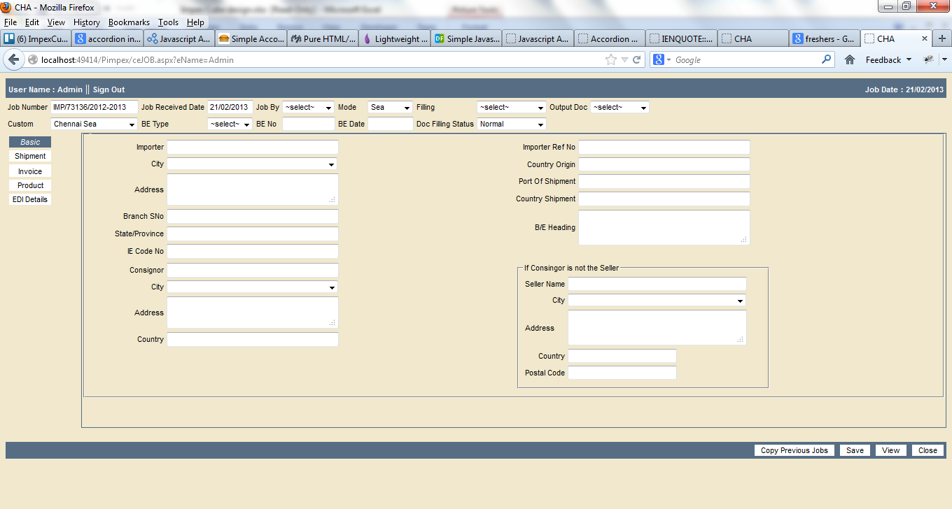

Shipment
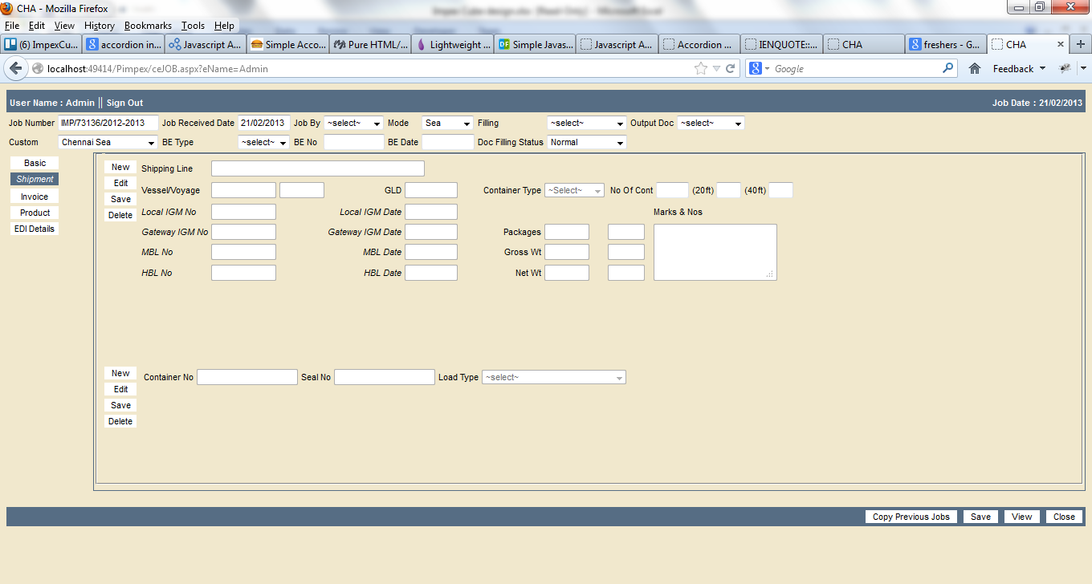

IMPORTER_NEW
 | Dashboard | Operations | Status Update | Reports | Master | Utilities | Logout

Basic
Shipment
invoice
Product
Edi Details

copy Previous Value
Save
View
Close

SHIPMENT_NEW
 | Dashboard | Operations | Status Update | Reports | Master | Utilities | Logout

Basic
Shipment
invoice
Product
Edi Details

 |  | Container Details

New
Edit
save
Delete

INVOICE_DETAILS
 | Dashboard | Operations | Status Update | Reports | Master | Utilities | Logout

Basic
Shipment
invoice
Product | Invoice Details
Edi Details
 |  | Sno | Invoice Number |  | Date | Terms of Invoice | Currency | Exch Rate | Product Values
 |  | 1
 |  | 2
 |  | 3
 |  | 4
 |  | 5
 |  | 6
 |  | 7
 |  | 8
 |  | 9
 |  | 10
 |  | 11
 |  | 12
 |  | 13

New
Edit
save
Delete

INVOICE_FREIGTHDTL
 | Dashboard | Operations | Status Update | Reports | Master | Utilities | Logout

Basic
Shipment
invoice
Product | Freight Details
Edi Details |  |  |  | Currency |  | Exchange Rate | Rate |  | Amount
 |  | Miscellaneous Chgs |  |  |  |  |  | %

 |  | Agency |  |  |  |  |  | %

 |  | Discount If any |  |  |  |  |  | %

 |  | Loading |  |  |  |  |  | %

 |  | Freight |  |  |  |  |  | %

 |  | Insurance |  |  |  |  |  | %

 |  | Add Chrg(High Sea) |  |  |  |  |  | %

 |  | Revenue Deposit |  |  |  | %
New
Edit
save
Delete

RELATION & SVB DTLS
 | Dashboard | Operations | Status Update | Reports | Master | Utilities | Logout

Basic
Shipment
invoice
Product | Relation & SVB Details
Edi Details

 |  |  |  | Status |  |  |  | % Status

New
Edit
save
Delete

OTHER DETAILS
 | Dashboard | Operations | Status Update | Reports | Master | Utilities | Logout

Basic
Shipment
invoice
Product | Other Details
Edi Details

New
Edit
save
Delete

OTHER CHARGES
 | Dashboard | Operations | Status Update | Reports | Master | Utilities | Logout

Basic
Shipment
invoice
Product | Other Charges
Edi Details
 |  |  | ChargeType |  |  | Currency | Rate | Amount

 |  |  |  |  |  |  | Total Product Value

 |  |  |  |  |  |  | Total Other Charges

 |  |  |  |  |  |  | Total Invoice Choices

New
Edit
save
Delete

